GB weight distribution
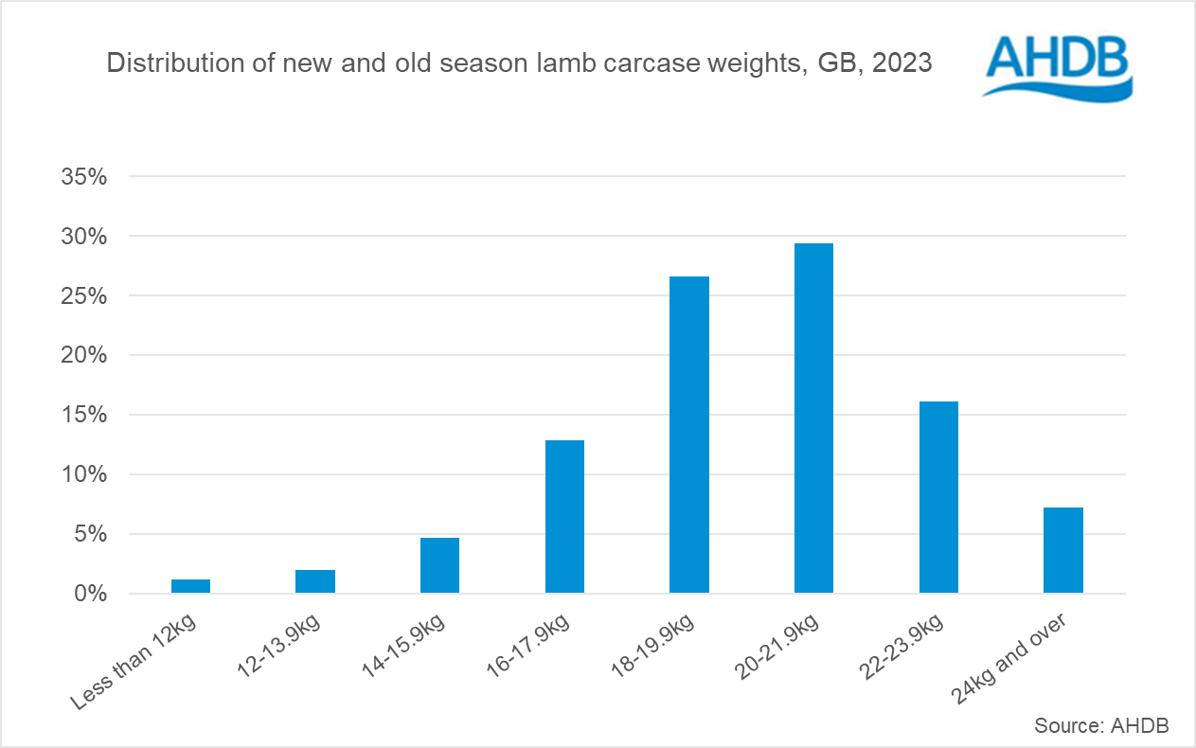
Great Britain annual sheep carcases by weight bands
Source: AHDB
Units: Kg
Last updated: 11/04/2024

Distribution of new and old season lamb carcase weights, GB, 2023

